Sheet1
Observation Number | Hydrocarbon Level (Xi) | Purity (Yi) | Xi-Xbar | Yi-Ybar | (Xi-Xbar)^2 | (Xi-Xbar)*(Yi-Ybar) | Y-pred = 74.28 + 14.95x | Error | Error^2
1 | 0.99 | 90.01 | -0.21 | -2.15 | 0.042436 | 0.44 | 89.0805 | 0.93 | 0.86
2 | 1.02 | 89.05 | -0.18 | -3.11 | 0.030976 | 0.55 | 89.529 | -0.48 | 0.23
3 | 1.15 | 91.43 | -0.05 | -0.73 | 0.002116 | 0.03 | 91.4725 | -0.04 | 0.00
4 | 1.29 | 93.74 | 0.09 | 1.58 | 0.008836 | 0.15 | 93.5655 | 0.17 | 0.03
5 | 1.46 | 96.73 | 0.26 | 4.57 | 0.069696 | 1.21 | 96.107 | 0.62 | 0.39
6 | 1.36 | 94.45 | 0.16 | 2.29 | 0.026896 | 0.38 | 94.612 | -0.16 | 0.03 |  |  |  | purity
7 | 0.87 | 87.59 | -0.33 | -4.57 | 0.106276 | 1.49 | 87.2865 | 0.30 | 0.09
8 | 1.23 | 91.77 | 0.03 | -0.39 | 0.001156 | -0.01 | 92.6685 | -0.90 | 0.81
9 | 1.55 | 99.42 | 0.35 | 7.26 | 0.125316 | 2.57 | 97.4525 | 1.97 | 3.87
10 | 1.40 | 93.65 | 0.20 | 1.49 | 0.041616 | 0.30 | 95.21 | -1.56 | 2.43
11 | 1.19 | 93.54 | -0.01 | 1.38 | 0.000036 | -0.01 | 92.0705 | 1.47 | 2.16
12 | 1.15 | 92.52 | -0.05 | 0.36 | 0.002116 | -0.02 | 91.4725 | 1.05 | 1.10
13 | 0.98 | 90.56 | -0.22 | -1.60 | 0.046656 | 0.35 | 88.931 | 1.63 | 2.65
14 | 1.01 | 89.54 | -0.19 | -2.62 | 0.034596 | 0.49 | 89.3795 | 0.16 | 0.03 |  |  | hydrocarbon level
15 | 1.11 | 89.85 | -0.09 | -2.31 | 0.007396 | 0.20 | 90.8745 | -1.02 | 1.05 | I can't customize graph In excel in mac… Macbook is worse than I thought
16 | 1.20 | 90.39 | 0.00 | -1.77 | 0.000016 | -0.01 | 92.22 | -1.83 | 3.35
17 | 1.26 | 93.25 | 0.06 | 1.09 | 0.004096 | 0.07 | 93.117 | 0.13 | 0.02
18 | 1.32 | 93.41 | 0.12 | 1.25 | 0.015376 | 0.15 | 94.014 | -0.60 | 0.36
19 | 1.43 | 94.98 | 0.23 | 2.82 | 0.054756 | 0.66 | 95.6585 | -0.68 | 0.46
20 | 0.95 | 87.33 | -0.25 | -4.83 | 0.060516 | 1.19 | 88.4825 | -1.15 | 1.33
 | X-bar (x mean) | Y-bar
 | 1.20 | 92.16 |  |  | Sxx (sum of above column) | Sxy (sum of above column) |  | average error | SSE = sum sqaure error | sigma^2 | 1.1805457222
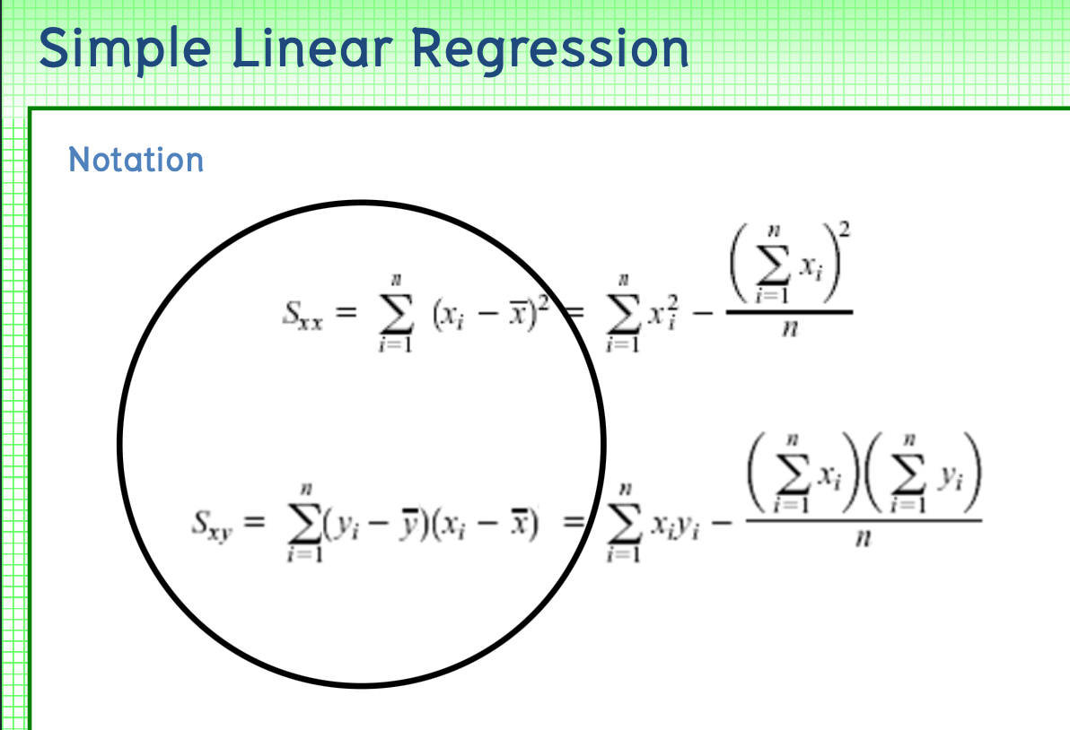
 |  |  |  |  | 0.68088 | 10.18 |  | 0.00 | 21.25
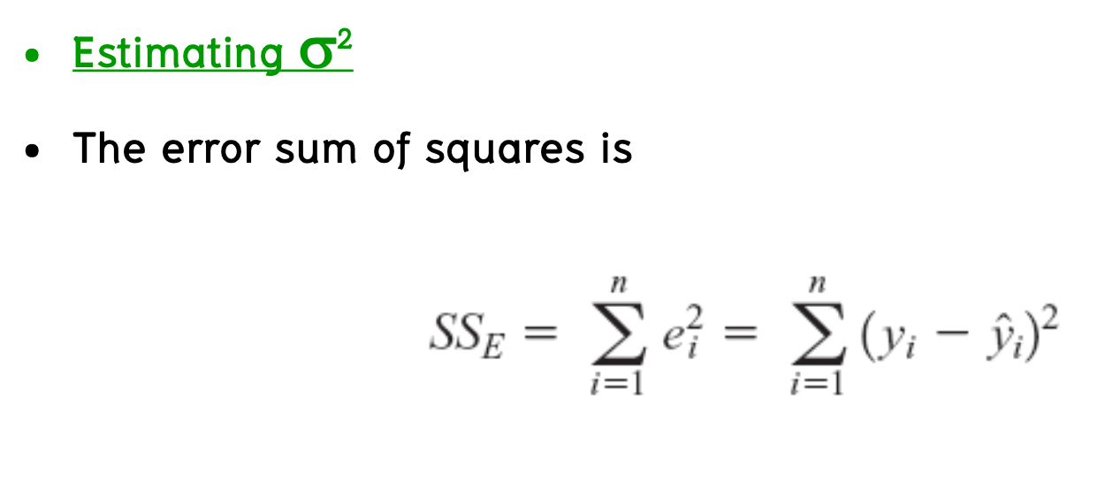
regression model is a practice of making a prediction model
 |  |  |  |  | B1 = Sxy / Sxx | 14.947479732
 |  |  |  |  | B0 = ybar - B1*xbar | 74.28331424

 |  |  |  |  | Y-pred = B0 + B1X
 |  |  |  |  | Y-pred = 74.28 + 14.95x | And then we have regression model, which can be used to predict the future

 | If we know that x (hydrocarbon level) = 1 . What is the value of Y (purity) | 89.23

 | NOTE : confidence interval (lower bound, upper bound) can be found with specific confidence value to ensure that with % the true data will not deviate out of the bound of the expected value

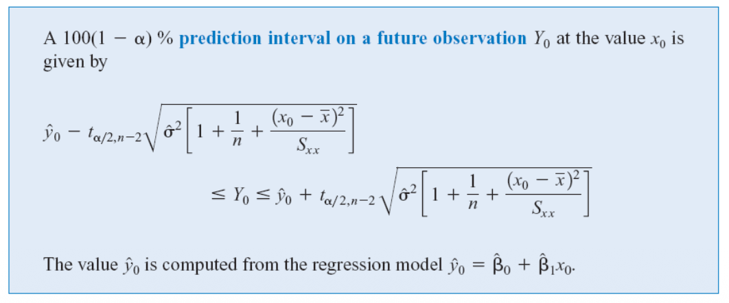
Suppose we use the Oxygen Purity data, find a 95% prediction interval on the next observation of oxygen purity at x = 1.00%.
lower bound | 86.8288927
upper bound | 91.6311073

X0 (the exact point) = | 1
Y0 (the exact point, from regression model) = | 89.23
alpha | 0.05
n | 20
t(alpha/2), use positive side because we want to get positive value | 2.1009220402
sigma square | 1.1805457222

